Sheet1
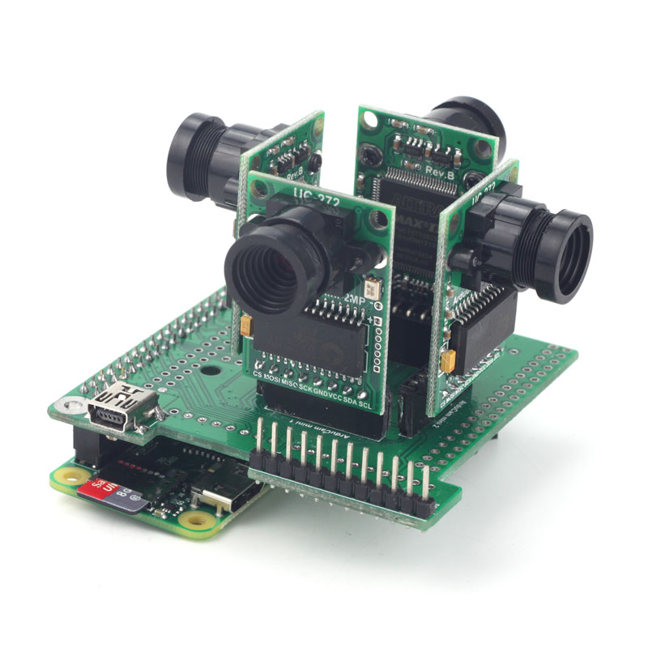
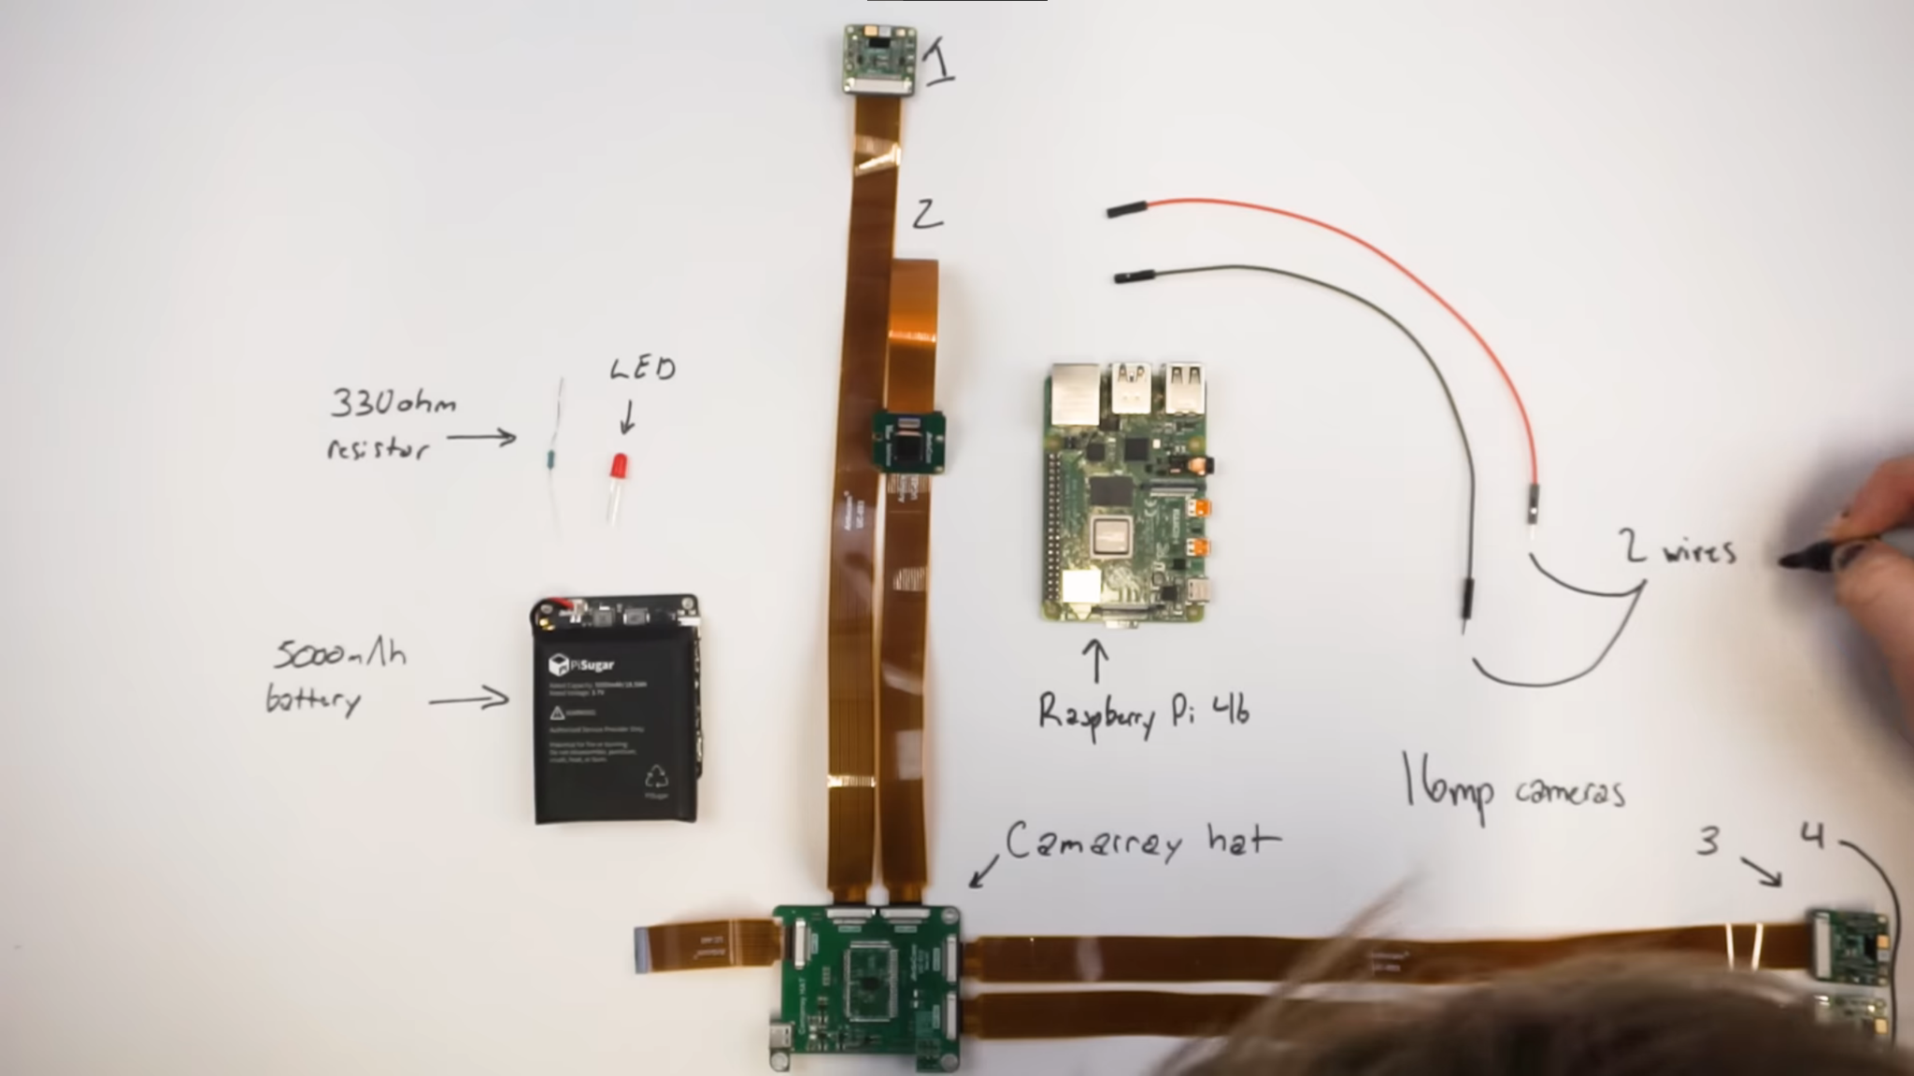
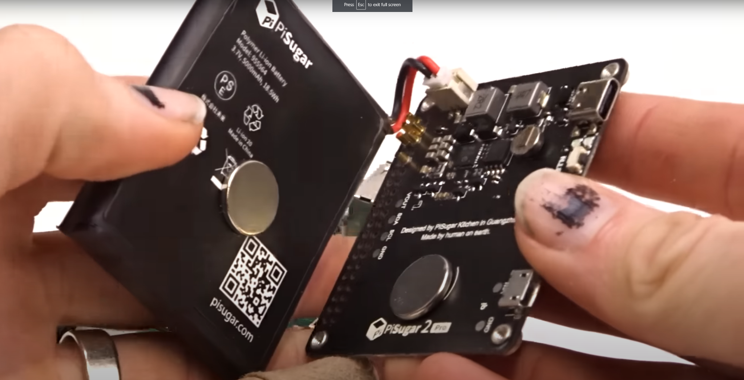
Price | Part | Link
300 | Camarray HAT & 4 Cameras | https://www.uctronics.com/arducam-64mp-auto-focus-quad-camera-kit.html
170 | Camarray HAT & 4 Cameras | https://www.uctronics.com/16mp%20synchronized%20quad-camera%20kit.html
140 | Camarray HAT & 4 Cameras | https://www.uctronics.com/arducam-1mp-4-quadrascopic-camera-bundle-kit-imx219-raspberry%20pi-nvidia-jetson-nano-xavier-nx,.html

55 | Raspberry Pi 4b 4GB | https://www.adafruit.com/product/4296
45 | Raspberry Pi 4b 2GB | https://www.adafruit.com/product/4295

50 | PiSugar3 Plus | https://a.co/d/1oStHeO
50 | PiSugar2 Plus | https://a.co/d/bhYGM9O
30 | PiSugar S Pro | https://a.co/d/dbIsF8b

Video Version |  | Can I rebuild this 40 year old 3D camera into a digital one?
170 | Camarray HAT & 4 Cameras | https://www.uctronics.com/camera-modules/camera-for-raspberry-pi/16mp%20synchronized%20quad-camera%20kit.html
55 | Raspberry Pi 4b 4GB | https://www.adafruit.com/product/4296
50 | PiSugar2 Plus | https://a.co/d/bhYGM9O

275 | Total

↓↓↓↓↓↓↓↓↓↓↓ | BUY THESE | ↓↓↓↓↓↓↓↓↓↓↓
Mini Cam PiZero Version
15 | Camarry HAT | https://www.uctronics.com/arducam-mini-multi-camera-adapter-board-for-arduino-raspberry-pi.html
20 | Raspberry Pi Zero | https://www.adafruit.com/product/2885
160 | 4x 5MP Cameras | https://www.uctronics.com/arducam-mini-module-camera-shield-5mp-plus-ov5642-camera-module-for-arduino-uno-mega-2560-board.html or https://www.uctronics.com/camera-modules/camera-for-arduino/arducam-mini-module-camera-shield-w-2-mp-ov2640-for-arduino-uno-mega2560-board.html
40 | PiSugar 3 | https://www.tindie.com/products/pisugar/pisugar-3-battery-for-raspberry-pi-zero/
1 | CamArray Pins | https://www.adafruit.com/product/2822
1.5 | Right Angle Pin Header | https://www.adafruit.com/product/2823

237.5 | Total

